Sheet1
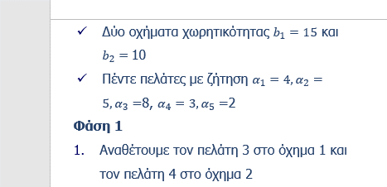
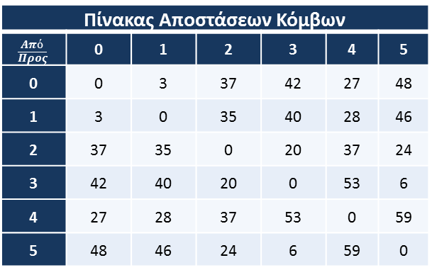

x13 | x14 | x23 | x24 | x53 | x54
40 | 28 | 20 | 37 | 6 | 59 |  |  | 3 | 2 | 5 | 0-2-3-5-0
0 | 1 | 1 | 0 | 1 | 0 |  | 54 | 4 | 1 |  | 0-1-4-0

1 | 1 |  |  |  |  | 1 | 1
 |  | 1 | 1 |  |  | 1 | 1
 |  |  |  | 1 | 1 | 1 | 1
4 |  | 5 |  | 2 |  | 7 | 7
 | 4 |  | 5 |  | 2 | 7 | 4

