B&B
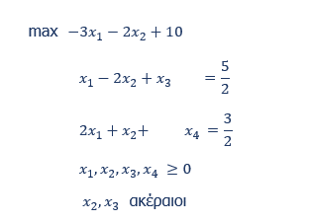

 | -3 | -2 | 0 | 0
 | 0 | 0 | 2.5 | 1.5 |  | 10

 | 1 | -2 | 1 | 0 | 2.5 | 2.5
 | 2 | 1 | 0 | 1 | 1.5 | 1.5

x3<=2 |  |  |  |  |  |  | x3>=3

 | -3 | -2 | 0 | 0 |  |  |  | -3 | -2 | 0 | 0
 | 0.5 | 0 | 2 | 0.5 |  | 8.5 |  | 0 | 0.25 | 3 | 1.25 |  | 9.5

 | 1 | -2 | 1 | 0 | 2.5 | 2.5 |  | 1 | -2 | 1 | 0 | 2.5 | 2.5
 | 2 | 1 | 0 | 1 | 1.5 | 1.5 |  | 2 | 1 | 0 | 1 | 1.5 | 1.5
 | 0 | 0 | 1 | 0 | 2 | 2 |  | 0 | 0 | 1 | 0 | 3 | 3

Stop | Lower bound

x3>=3 | x2=0 |  |  |  |  |  | x3>=3 | x2>=1

 | -3 | -2 | 0 | 0 |  |  |  | -3 | -2 | 0 | 0
 | 0 | 0 | 2.5 | 1.5 |  | 10 |  | 0 | 1 | 4.5 | 0.5 |  | 8

 | 1 | -2 | 1 | 0 | 2.5 | 2.5 |  | 1 | -2 | 1 | 0 | 2.5 | 2.5
 | 2 | 1 | 0 | 1 | 1.5 | 1.5 |  | 2 | 1 | 0 | 1 | 1.5 | 1.5
 | 0 | 0 | 1 | 0 | 3 | 2.5 |  | 0 | 0 | 1 | 0 | 3 | 4.5
 | 0 | 1 | 0 | 0 | 0 | 0 |  | 0 | 1 | 0 | 0 | 1 | 1

Stop | Infeasible |  |  |  |  |  | Stop | Lower than lower bound

