ui = infinity
c1= | 1 | SKU | Pi | di | li |  | Savings | Savings per location
c2= | 2 | A | 600 | 20 | 3 |  | 540 | 180
cr= | 3 | B | 1000 | 100 | 5 |  | 700 | 140
N= | 8 | C | 200 | 2 | 2 |  | 194 | 97

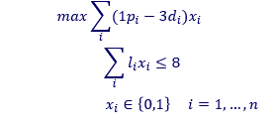
 |  | x1 | x2 | x3
 |  | 540 | 700 | 194
 |  | 1 | 1 | 0 |  | 1240

 |  | 3 | 5 | 2 |  | 8 | 8

Piece_1
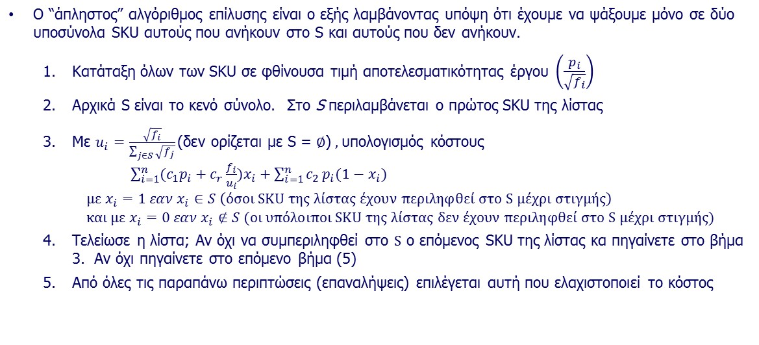
SKU | Κινήσεις Συλλογής pi | Ζήτηση di | Κανονικοποιημένη Ζήτηση fi | sqrt(fi) | pi/sqrt(fi) | Rank

A | 600 | 8000 | 4 | 2.00 | 300.0 | 2
B | 10 | 20000 | 10 | 3.16 | 3.2 | 3
C | 2000 | 4000 | 2 | 1.41 | 1414.2 | 1

V | 2000
c1 | 0.1
c2 | 1.5
cr | 3

S= | Elements | ui | Cost 1st term | Cost 2nd term | Cost

C | C | 1 | 206 | 915 | 1121
C,A | A | 0.58578643763 | 294.97056275 | 15 | 310
 | C | 0.41421356237
C,A,B | A | 0.30411353598 | 390.7507104 | 0 | 391
 | B | 0.48084572049
 | C | 0.21504074354

 | V(A)= | 1171.5728753
 | V(C )= | 828.42712475

Piece_2
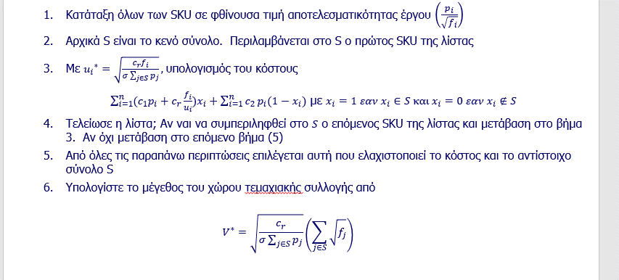
SKU | Κινήσεις Συλλογής pi | Ζήτηση fi | sqrt(fi) | pi/sqrt(fi) | Rank

A | 600 | 10 | 3.2 | 189.7 | 1
B | 1000 | 30 | 5.5 | 182.6 | 2
C | 200 | 2 | 1.4 | 141.4 | 3
D | 100 | 10 | 3.2 | 31.6 | 5
E | 800 | 40 | 6.3 | 126.5 | 4

σ | 0.05
c1 | 0.5
c2 | 1
cr | 20

S= | ui | Cost 1st term | Cost 2nd term | Cost

A | 2.58 | 377.5 | 2100 | 2477
A,B | 1.58 | 1256.9 | 1100 | 2357
 | 2.74
A,B,C | 1.49 | 1326.5 | 900 | 2227 | V= | 4.7393675491
 | 2.58
 | 0.67
A, B, C, E | 1.24 | 2135.1 | 100 | 2235
 | 2.15
 | 0.55
 | 2.48
A, B, C,D,E | 1.22 | 2365.4 |  | 2365
 | 2.11
 | 0.54
 | 1.22
 | 2.43

